Sheet1
Questions | Answers
Azure | Azure, is a cloud computing service created by Microsoft for building, testing, deploying, and managing applications and services through Microsoft-managed data centers. We can create Logic Apps, Web-hooks and Azure functions that can be called from Dynamics 365 Application. We can also provide authentication for Dynamics 365 to communicate with Azure by creating Client ID by registering the application
Azure Logic Apps | Azure Logic Apps is a cloud service that helps you (schedule, automate, trigger) - tasks, business processes, and workflows when you need to integrate apps or services across organizations.
Data Migration Steps - Loading data in D365

how Integrations works in CRM | allows integrations with a number of native and external third party applications. Using Data Connectors in Power Automate we can easily synchronize ata between Dynamics 365 and 3rd party apps. API Integrations, We can also create custom components by using Dynamics 365 assemblies to communicate with the D365 Data. Azure provides Logic Apps by using which we can integrate other business applications data with Dynamics.
API Integration | Custom web applications can be registered in Azure with Client ID for reading the online Dynamics 365 Data using Web API technology
Dynamics 365 Portals (Power Pages) | We normally use portals to set up an interactive, web-based sales, services, support, and social engagement application platform to connect with customers, engage with communities, manage site content, and empower business channel partners. It empowers anyone inside or outside your organization to interact with Common Data Service or Dynamics 365 data by using portals. Previously called Dynamics 365 Portal, Power Pages are websites that you can customize to give your customers, partners and employees a tailored experience. Portals are integrated into Dynamics 365 for Customer Engagement so you can display data from the module directly on the portal. To put it simply, Dynamics portal enables you to upload websites including forms that your visitors can complete. The information collected is directly linked to your Dynamics 365 so you don't waste time re-entering information. It's all done in one simple step

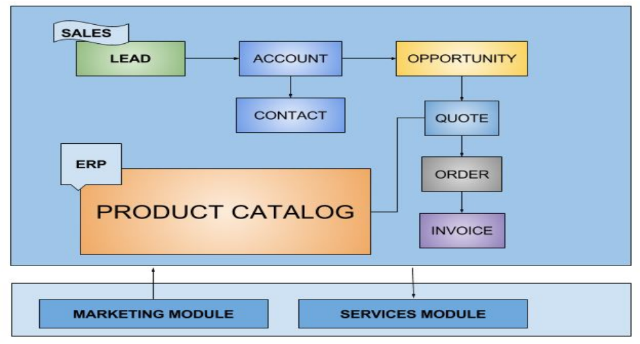
Lead Lifecycle

CI CD | Solution packager and PowerShell scripts are used for this. The solution gets exported from Dynamics 365 Environment automatically by script and extracted. We do check in the code to repository VSTS then Build triggers automatically and using CICD Pipeline.

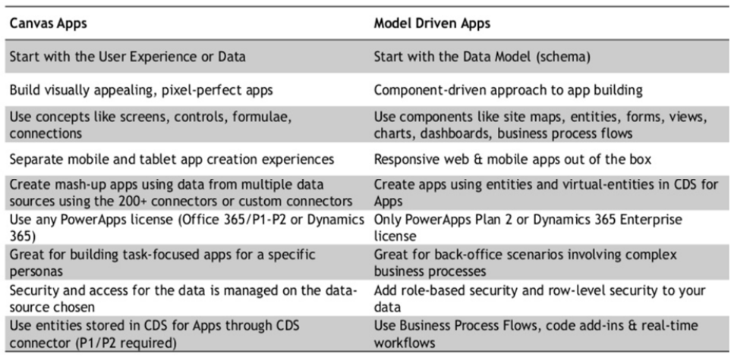 PowerApps | PowerApps is an application development platform that is part of the broader Microsoft Power Platform, whose capabilities are built on and utilize Azure cloud services. Dynamics 365 for Sales, Service, Field Service, Marketing, and Talent are all built natively on the platform

Security Models | Access Levels and Privileges to define the correct role for users -- SECURIITY ROLES
 | Security Role Based model combines access level like User level, BU level, Parent Child BU level, Org level and Privilege like read, write, delete etc. to define the role and the re assigned to a user such as Account Manager, Sales User etc. In the Record Based security model we can choose to share and assign records to users or teams by defining proper privilege. For example, a user can share an account record with a delete privilege to a user who has no security role allowing to delete accounts. Using Field based security we can restrict accessing high business impact field values to users by configuring field security profile. In UI the field value will display as stars. Using Hierarchy security, we can configure users to maintain a position hierarchy or maintain a managerial hierarchy by which users at parent position can access records of child users. This ensures managers to view downline user records.

SSRS Reports | To create SSRS reports we have to download SSDT (SQL Server Data Tools) and Report Authoring Extension as for Dynamics 365 Online we can only use FetchXML based queries. For on premise versions we can write SQL Queries. In the connection string we have to use Organization URL and we deploy in Dynamics 365 using upload option for the SSRS report .rdl file.
word/Excel Teplates | Word document templates are very much flexible to create custom documents like welcome letter using company letter head etc. and Using Microsoft Word Developer TAB we can add dynamic entity record field information on the document as needed. This word document removed the use of only out of the box documents. Using Excel document templates, we can export and import data items for entities on demand

Schemas or Entity Customizations | Schema means entities and its metadata. We can create new Entities or edit existing entities. We can also add custom attributes/fields or edit existing fields. In the customization we can create relationships between entities to relate entities with each other. System entities can be customized. The entities like Account, Contact etc. are customizable entities and if we want to create a brand new entity that are called as Custom entity. We can customize; • Entities • Fields/Attributes • Relationships • Option sets

Process Customizations | create processes like Workflows, Business Process Flows and Actions. To automate manual tasks in Dynamics 365 we use workflows, BPF, custom actions. For more complex requirement which cannot be achieved by configuring processes we normally write server side code like Plugins and custom workflows

Entity Relationships and Behaviour | We can relate one entity with another using Entity Relationships in Dynamics 365. There are 3 types of relationship 1: N, N:1 and N: N types. • One Doctor can treat multiple patients (Doctor (1): Patient (N)) • Multiple Quote can be given to one Customer (Quote (N): Customer (1)) • One Lecturer teach multiple student and one student can take classes from multiple lecturers. (Lecturer(N):Student(N)) For 1: N relationships we have many relationship behaviors we can configure as below: • Parental (Action on Parent record will apply to all child) • Referential, Restrict Delete (Parent record can’t be deleted if child exist) • Referential, Remove Link (If parent record deleted, the lookup field of child record to parent record will be removed) • Cascade actions (Custom action can be configured)

Auditing | Auditing feature provides a way to analyze what data has been changed. In business if some important fields are changed frequently and has business impact then admin would like to enable auditing feature on some entities and attributes to investigate the change

Authentications used in Dynamics 365

Internet Facing Deployments | For On-premise -- Internet-facing deployment (IFD) allows users to access a CRM system from outside the intranet, without using a virtual private network (VPN). This means that users can access the system from the internet or outside

Authentication | (on-premises) support three security models for authentication: claims-based authentication, Active Directory authentication, and OAuth 2.0 (IFD only). The type of authentication used depends on the type of deployment your application is accessing (on-premises, or Internet Facing Deployment (IFD)) and if your application is using the Web API or the Organization Service endpoint. We use ADAL for client code authentication

Performance Enhancement | https://learn.microsoft.com/en-us/power-apps/maker/canvas-apps/fast-app-page-load
 | Load data fast Avoid directly populating a collection with large amounts of data Consider avoiding calling Power Automate to populate a collection Avoid using SaveData() and LoadData() as a full offline scenario Use Explicit column selection Fast calculations Use App.Formulas Use Concurrent Use Enhanced performance for hidden controls Minimize required resources Use a low dependency start screen and eliminate unused screens. Keep cross screen dependencies between screens low Consider embedded media Don't forget App.StartScreen Consider splitting up the app
SaveData(), LoadData(), ClearData() | use ClearCollect() and then SaveData() to store data for general purpose offline use. You can use SaveData() to save the collection to your device, and LoadData() to load it when you're offline

Append (N), Append To (1) | Append: When an entity has the lookup of another entity on its form. It is important that the user have the “Append” privilege on this entity so that it can set the values for the lookups on this entity. For e.g.: Contact has the lookup of Account on its form so here the user needs to have the “Append” privilege to be able to set the parent account. Append to: When an entity is available as a lookup on another entity form. It is important that the user have the “Append to” privilege on the entity that is referred to in the lookup so that it can set the values for the lookups of this entity on any other form. For e.g.: Account has the lookup of primary contact. So here the user needs to have the “Append to” privilege to be able to set the Primary Contact for the Account.

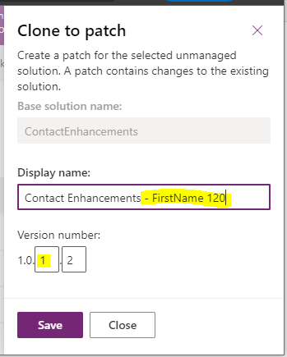
Solutions | Solutions are basically containers used for transporting customization components from environment to another - say from development to QA environment or from QA to production. Solutions can be broadly classified into 3: 1. Default Solution 2. Managed solution 3. Un-managed Solution.

Solution Patching - avoid importing whole solution , unneccesaary dependecies

 | patch create a empty container - add specific changes to it

Access Team V/s Owner Team | An owner team owns records and has security roles assigned to the team. The team’s privileges are defined by these security roles. In addition to privileges provided by the team, team members have the privileges defined by their individual security roles and by the roles from other teams in which they are members. A team has full access rights on the records that the team owns.
 | An access team doesn’t own records and doesn’t have security roles assigned to the team. The team members have privileges defined by their individual security roles and by roles from the teams in which they are members. The records are shared with an access team and the team is granted access rights on the records

Access Privileges | Create: Allows the user to create a new record in CRM Read: Allows a user to view a record in CRM Write: Allows a user to edit a record in CRM Delete: Allows a user to delete a record in CRM Append: Allows the user to attach other entities to a record (e.g.: Notes) Append to: Allows the user to attach other entities with a record (e.g.: Account) Assign: Allows assigning ownership of a record to another user Share: Allows to share the record information with another user by keeping the ownership
Levels of Access | None: No Privileges given. User (Basic): The privilege will be given to the records owned by user and the team to which the user belongs to. Business Unit (Local): Privileges to records owned by the business unit to which the user belongs to. Parent (Deep): Privileges to the records owned by the parent business unit to which the user belongs and the child business units associated to that business unit. Organization (Global): Privileges for all records in the organization regardless of who owns it

assign vs share permission | Sharing lets users give other users or teams access to specific customer information. EG - in an organization that gives salespeople Basic read and write access to accounts, a salesperson can share an opportunity with another salesperson so that they can both track the progress of an important sale
 | Anyone with Assign privileges on a record can assign that record to another user. When a record is assigned, the new user or team becomes the owner of the record and its related records.

Scope of Workflow (BPF) | Scoping acts just like security access levels granted to users and it works by allowing constraints on the records to be affected by the process. Simply put, workflow scope defines the level of records that a workflow can have an effect on. Details scopes given below: 1. User - Choosing this scope means the workflow will run only on the records owned by the same user as the workflow user. 2. Business Unit - This means the workflow will run on all records owned by the users of the same business unit as the workflow user. 3. Parent: Child Business Unit - With this, the workflow will run on the records owned by the users of the same business unit as the workflow user as well as any child business units. 4. Organization - The workflow will run on records owned by any user in CRM. Since it will trigger for all records, organization scope is the most used scope option.
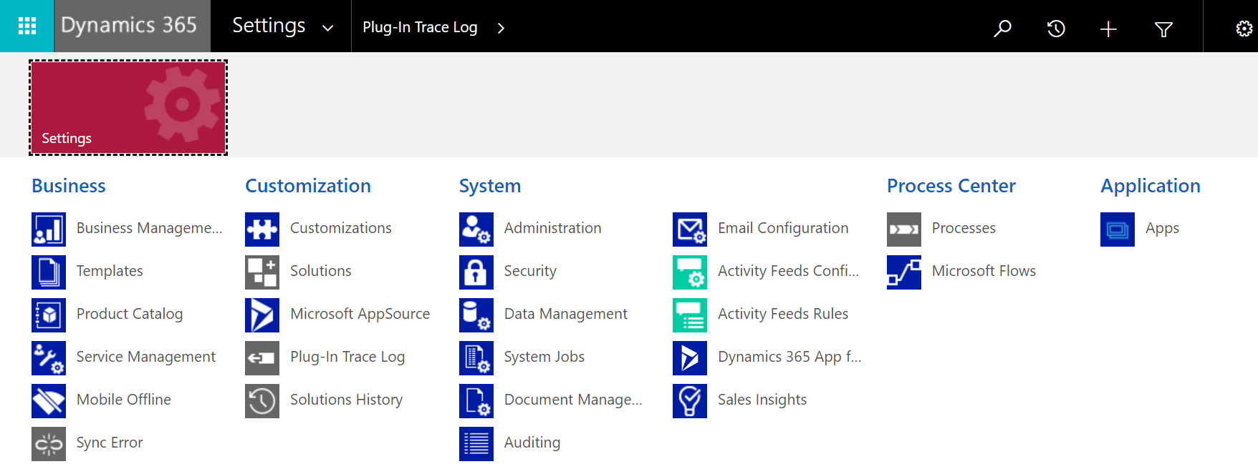

Plugins
trace plugin - enable it

profiler | Plugin Profiler is used for plugin debugging. First we have to install plugin profiler and then we have to start profiling the targeted plugin for capturing the profile. Once the profile is captured, start debugging and choose the profile generated. we have to go to our plugin code and attach plugin registration tool as process. Then the debugger will hit our code.
plugin entity images | Plug-In images are snapshots of the entity’s attributes, before and after the core system operation.
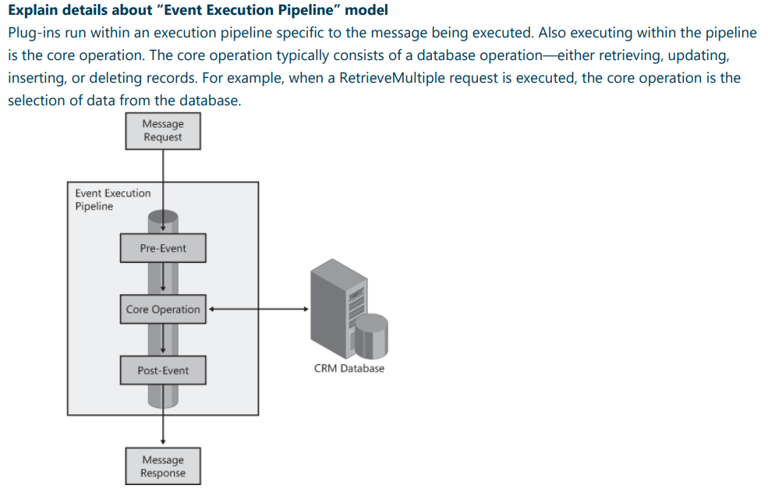

 | The ITracingService enables writing to the tracing log. You can see an example in the final catch block. More information: Use Tracing • The IPluginExecutionContext provides access to the context for the event that executed the plugin. More information: Understand the execution context. • The code verifies that the context InputParameters includes the expected parameters for the CreateRequest that this plug-in will be registered for. If the Target property is present, the Entity that was passed to the request will be available. • The IOrganizationServiceFactory interface provides access to a service variable that implements the IOrganizationService interface which provides the methods you will use to interact with the service to create the task.

Run Flow from Canvas

Generate fetchXML from d365

Field Security | 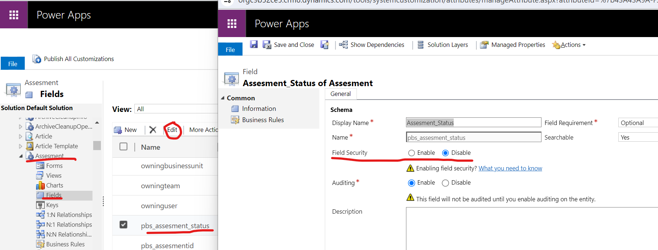 Secure the field. Go to Settings > Customizations. Click Customize the System. Click Entities > Contact > Fields. Click mobilephone, click Edit. Next to Field Security Publish the customization. Configure the security profiles. Go to Settings > Security. Click Field Security Profiles. Click New, enter a name, such as Sales Manager access contact mobile phone, and click Save. Click Users, click Add, select the users that you want to grant read / (CURD) access to the mobile phone number on the contact form, and then click Add. Click Field Permissions, click mobilephone, click Edit, select Yes next to Allow Read, and then click OK.
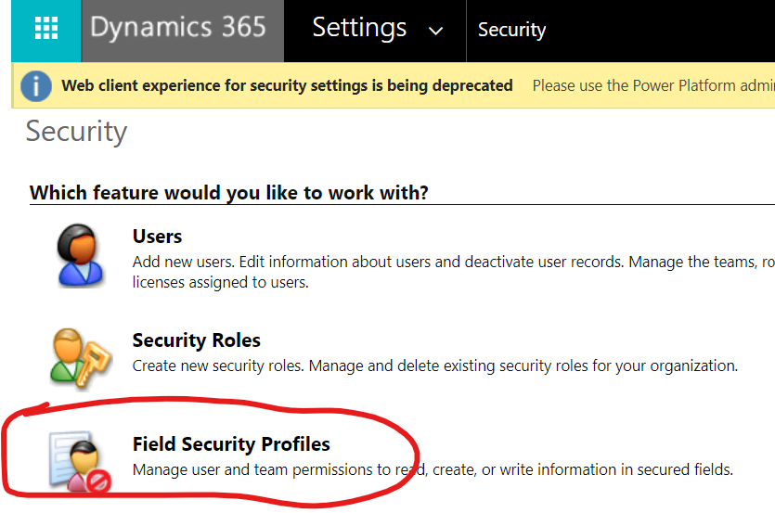
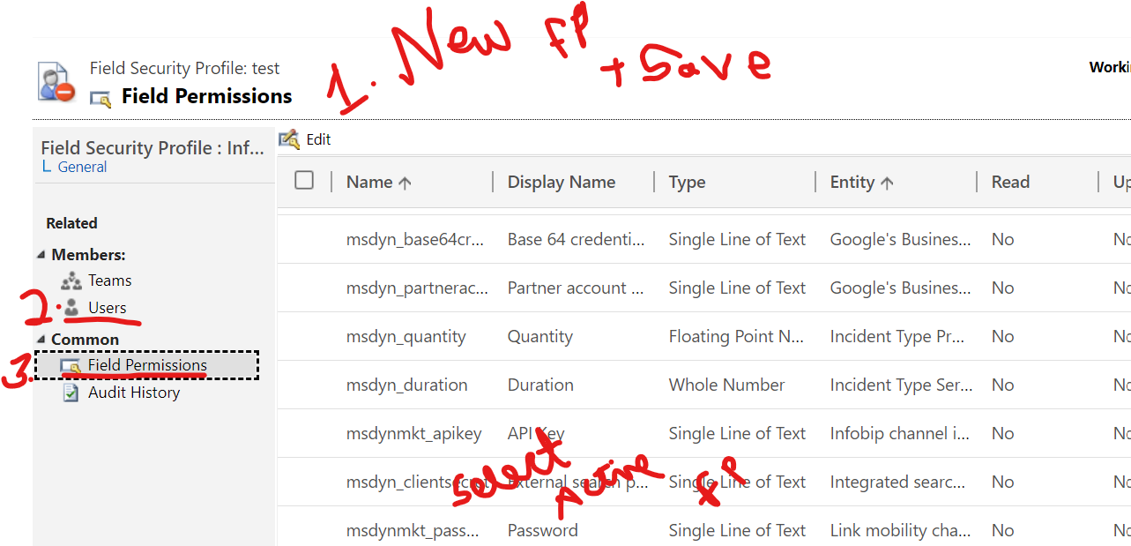

type of operations and data can be audited | • Create, update, and delete operations on records. • Changes to the shared privileges of a record. • N: N association or disassociation of records. • Changes to security roles. • Audit changes at the entity, attribute, and organization level. For example, enabling audit on an entity. • Deletion of audit logs. • When (date/time) a user accesses Microsoft Dynamics CRM data, for how long, and from what client.

different data types we have in CRM? | Single line of text Multiple lines of text Currency Date and Time Whole Number Decimal Number Floating Point Number Option set Two Options Image Lookup Multiple Option set Auto Number

“Relationship behaviors” | 1. Parental In a parental relationship between two entities, any action taken on a record of the parent entity is also taken on any child entity records that are related to the parent entity record. if you delete a record in the parent entity, the related child entity records are also deleted; or if you share a parent entity record, the related records from the child entity are also shared. All option are disable for Parental relationship. 2. Referential In a referential relationship between two entities, you can navigate to any related records, but actions taken on one will not affect the other 3. Referential, Restrict Delete Actions taken on parent will not affect child record but parent record cannot be deleted till the child record exists. i.e you cannot delete a record when related records exist. 4. Configurable Cascading You need to specify your setting here. We can set the cascading behavior for the operations like, Assign, Share, Unshare,Reparent,

Discovery service Vs Organization service | IOrganizationService This is the primary web service used to access (CRUD operations) customer, sales, marketing, and service data; in addition, it exposes metadata that defines the specific “structure” of the CRM organization that you’re accessing. IDiscovery This web service allows a developer to examine the possibly multiple organizations that are hosted within a single instance of CRM (multi-tenancy) to determine which is the proper organization and endpoints to use for data access.

JS - WEB API must remember to select the option to pass the execution context to this function. | // A namespace defined for the sample code, As a best practice, you should always define a unique namespace for your libraries var Example = window.Example || {}; (function () { // Define some global variables var myUniqueId = "_myUniqueId"; // Define an ID for the notification var currentUserName = Xrm.Utility.getGlobalContext().userSettings.userName; // get current user name var message = currentUserName + ": Your JavaScript code in action!"; --- EXECUTION CONTEXT EVENTS ------ }).call(Example);
Example.formOnChange | // Code to run in the column OnChange event this.attributeOnChange = function (executionContext) { var formContext = executionContext.getFormContext(); // Automatically set some column values if the account name contains "Contoso" var accountName = formContext.getAttribute("name").getValue(); if (accountName.toLowerCase().search("contoso") != -1) { formContext.getAttribute("websiteurl").setValue("https://www.contoso.com"); formContext.getAttribute("telephone1").setValue("425-555-0100"); formContext.getAttribute("description").setValue("Website URL, Phone and Description set using custom script."); } }
add delay on onnload of 5 sec | 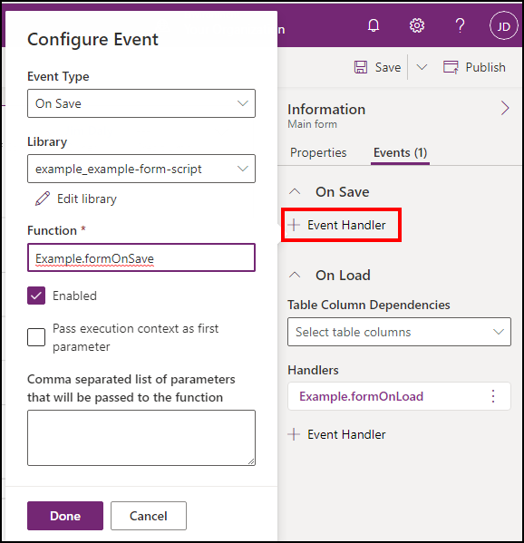 // Code to run in the form OnLoad event this.formOnLoad = function (executionContext) { var formContext = executionContext.getFormContext(); // Display the form level notification as an INFO formContext.ui.setFormNotification(message, "INFO", myUniqueId); // Wait for 5 seconds before clearing the notification window.setTimeout(function () { formContext.ui.clearFormNotification(myUniqueId); }, 5000); }
 | // Code to run in the form OnSave event this.formOnSave = function () { // Display an alert dialog Xrm.Navigation.openAlertDialog({ text: "Record saved." }); }

 | 1 . Upload your code as a web resource
 | 2. Associate your web resource to a form

Search , Lookup, Filter | Search: The search function is used to find records in a data source that match a specified search term. It returns a table of records that contain the search term in one or more fields. The search function is commonly used with galleries or data tables to filter data based on user input. The syntax for the search function is: Search(datasource, searchstring, [fieldname1, fieldname2, …]). Lookup: The lookup function is used to retrieve a single record from a data source based on a specified condition. It returns a record that matches the condition or null if no record is found. The lookup function is commonly used to retrieve related data from a secondary data source. The syntax for the lookup function is: Lookup(datasource, condition, [fieldname1, fieldname2, …]). Filter: The filter function is used to retrieve a subset of records from a data source based on one or more conditions. It returns a table of records that meet the specified conditions. The filter function is commonly used with galleries or data tables to display only the records that meet specific criteria. The syntax for the filter function is: Filter(datasource, condition1 && condition2 && …, [fieldname1, fieldname2, …]).

Early Binding - strongly-typed Account class | // Connect to the Organization Service IOrganizationService service = GetOrgService(); // Create a new account Account newAccount = new Account { Name = "Contoso Ltd.", Address1_City = "Seattle", Address1_StateOrProvince = "WA" }; Guid accountId = service.Create(newAccount);
Late Binding -generic Entity class , more flexible, it lacks the benefits of IntelliSense, making it more error-prone | // Connect to the Organization Service IOrganizationService service = GetOrgService(); // Create a new account Entity newAccount = new Entity("account"); newAccount["name"] = "Contoso Ltd."; newAccount["address1_city"] = "Seattle"; newAccount["address1_stateorprovince"] = "WA"; Guid accountId = service.Create(newAccount);

Patch - new | Patch( Employees, Defaults(Employees), { FullName: "Sarah Green", EmployeeNumber: 1002, HireDate: Date(2018,3,14), Active: true } )
update | Patch( Employees, LookUp( Employees, ID=4 ), { FullName: "Sarah Brown", EmployeeNumber: 1003 } )
add multiple records | ClearCollect( colNewEmployees, Table( Employees@{ FullName: "Mary Baker", EmployeeNumber: 0798, HireDate: Date(2022, 06, 06), Active: true }, Employees@{ FullName: "John Miller", EmployeeNumber: 1203, HireDate: Date(2022, 06, 11), Active: true } ) ); Patch( Employees, ForAll( Sequence(CountRows(colNewEmployees)), Defaults(Employees) ), colNewEmployees );

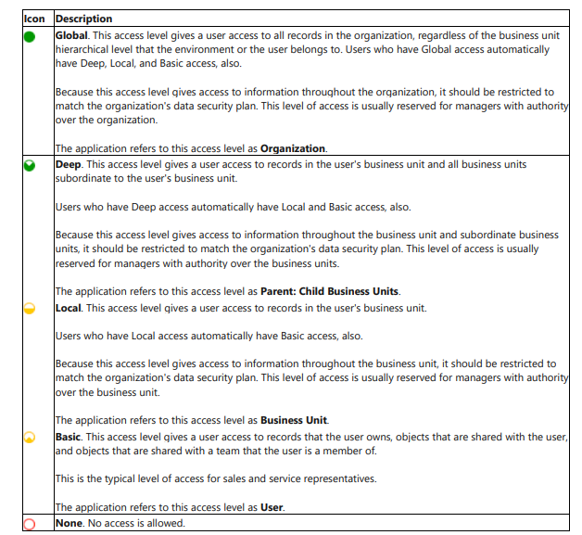
different access levels we have in CRM?

Scope | 1. User Choosing this scope means the workflow will run only on the records owned by the same user as the workflow user. 2. Business Unit This means the workflow will run on all records owned by the users of the same business unit as the workflow user. 3. Parent: Child Business Unit With this, the workflow will run on the records owned by the users of the same business unit as the workflow user as well as any child business units. 4. Organization The workflow will run on records owned by any user in CRM. Since it will trigger for all records, organization scope is the most used scope option.

